Лист1
пептид Zp-2
THR | NLE | NLE | ALA | SER | HIS | TYR | LYS | GLN | HIS | CYS | PRO | THRNLENLE
Threonine | Norleucine | Norleucine | Alanine | Serine | Histidine | Tyrosine | Lysine | Glutamine | Histidine | Cysteine | Proline
T | lx | lx | A | S | H | Y | K | Q | H | C | P | =СЦЕПИТЬ(A4;B4) | 12
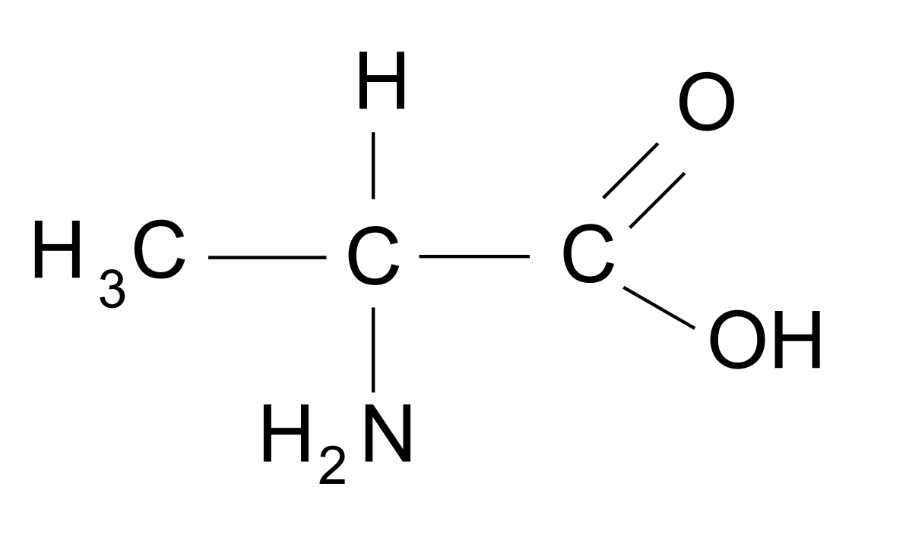
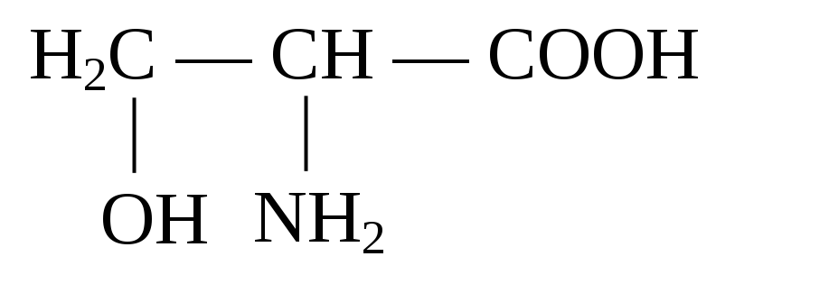
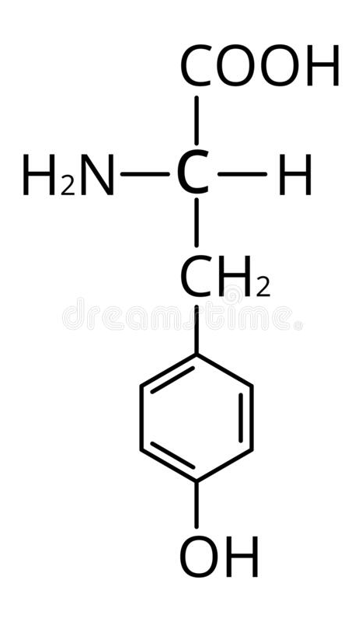
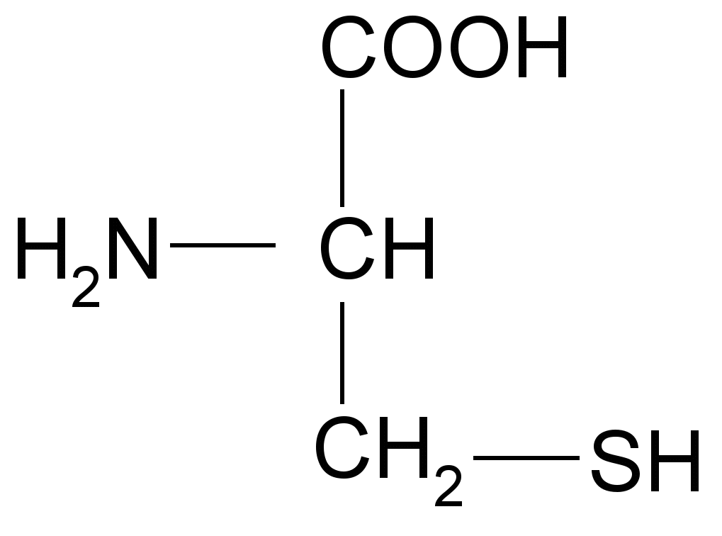
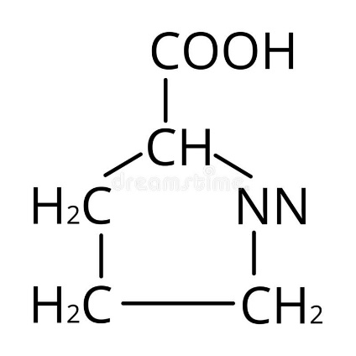

Ala | A | Alanine
Cys | C | Cysteine
Asp | D | Aspartic Acid
Glu | E | Glutamic Acid
Phe | F | Phenylalanine
Gly | G | Glycine
His | H | Histidine
Ile | I | Isoleucine
Lys | K | Lysine
Leu | L | Leucine
Met | M | Methionine |  |  |  |  | >пептид_Zp-2
Asn | N | Asparagine |  |  |  |  | AlxlxSHYKQHCP
Pro | P | Proline
Gln | Q | Glutamine
Arg | R | Arginine
Ser | S | Serine
Thr | T | Threonine
Val | V | Valine
Trp | W | Tryptophan
Tyr | Y | Tyrosine
Nle |  | Norleucine |  |  |  | FVPWFSKFlxRIL

